6. Potential Info. Exchanges
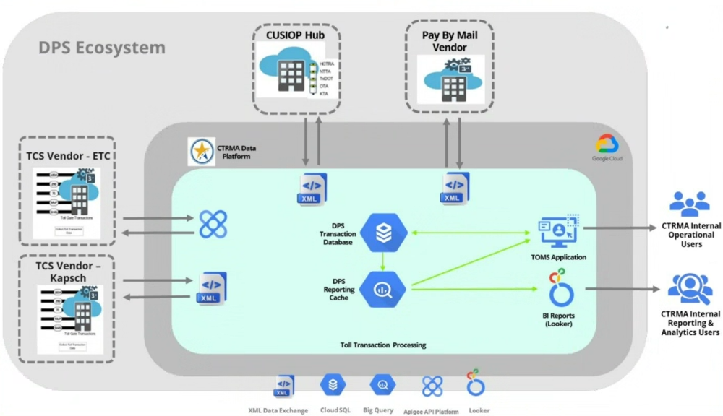
Business Context
CTRMA’s technology environment includes a mix of automated integrations, vendor-managed interfaces, and manual data exchanges supporting both administrative functions and toll operations. Some systems are integrated through APIs or managed interfaces, others rely on file transfers, spreadsheets, or manual uploads. A key component is the Data Processing System (DPS), which serves as the central platform for toll transaction processing and downstream reporting used for operational monitoring and financial reconciliation. Interoperability with regional toll partners is supported through the Central United States Interoperability Partners (CUSIOP) Interoperability Hub (IOP). In addition, administrative systems exchange data to support financial reporting, workforce management, and operations through a combination of automated interfaces and manual processes.

Potential Information Exchange
No. | System | Purpose
1 | DPS | Provides processed toll transaction data for reporting and analytics
2 | DPS / CUSIOP hub | Provides summarized toll transaction data for financial reconciliation and revenue recognition
3 | ADP | Payroll financial posting and reporting support
4 | Employee Navigator | Employee benefits enrollment and payroll deduction information
5 | VueWorks Kapsch MOMS QH Ritesuite | Asset location mapping and maintenance work order support for roadway infrastructure
6 | Microsoft 365/ SharePoint | Document storage and supporting documentation used for operational reporting and reconciliation processes
7 | Bank & Financial Institution | Balance and transaction data exchange

